PR_45degree_0.51%_total72.15
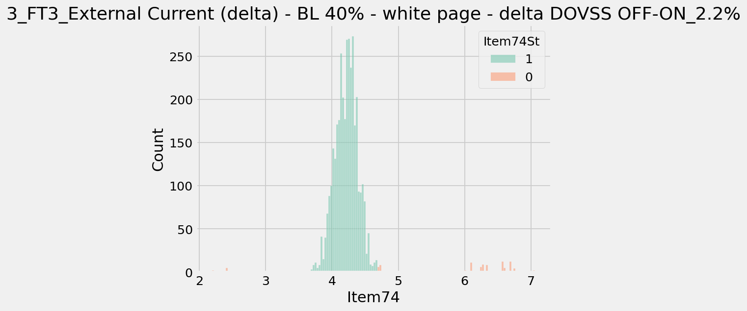
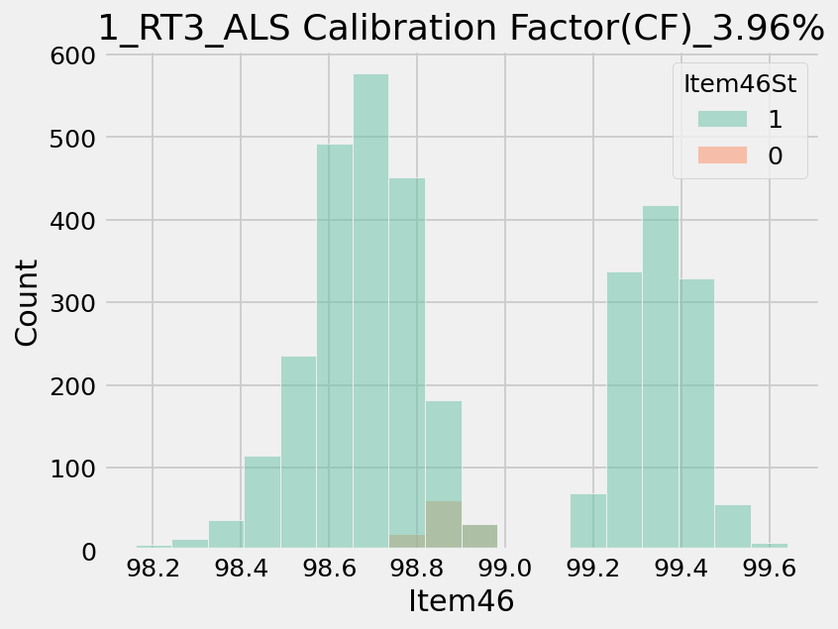
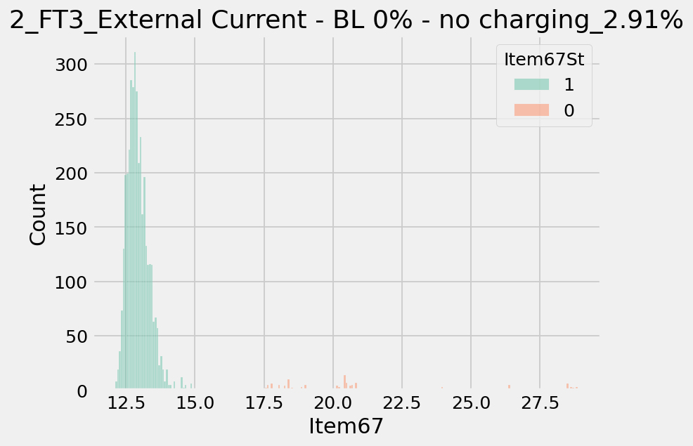
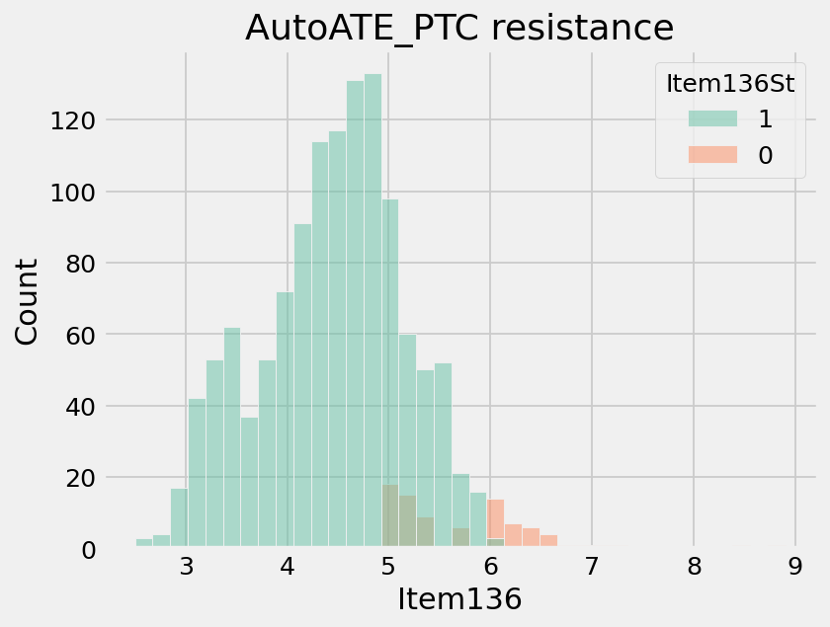
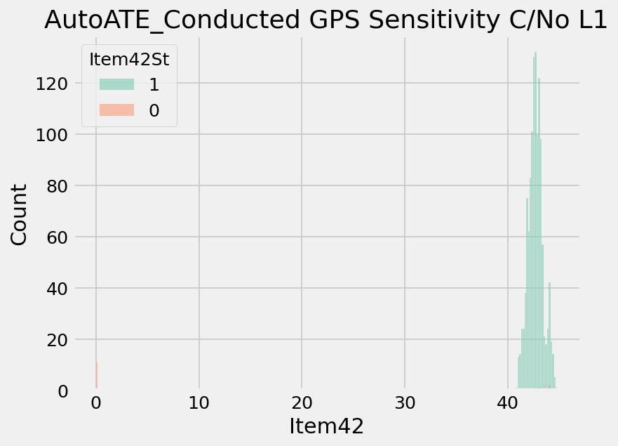
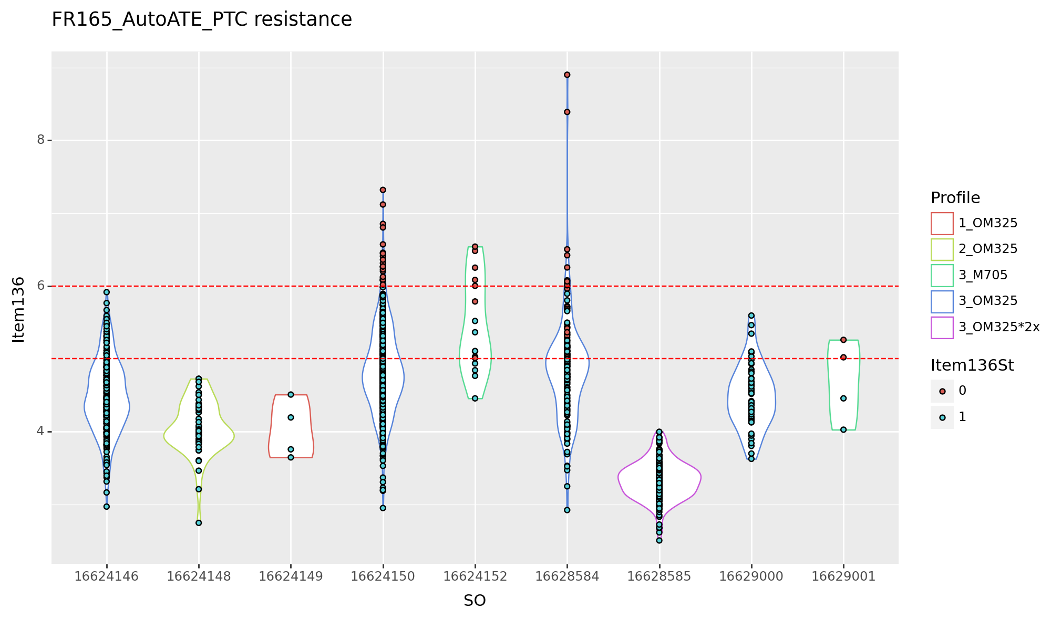
ItemNameType | ProcessType | Item | ItemName | CountCountESN | Retest | PQE | Comment
18825 | FR165_RT3 | 46 | ALS Calibration Factor(CF) | 42/1061 | 3.96 | 機台綠膠帶貼到ALS上 | [EE]: Tape was too close to ALS Action: Ask OP to stick tape on the opposite side. No action required for MP since RT3 is removed
18828 | FR165_FT3 | 67 | External Current - BL 0% - no charging | 29/998 | 2.91 | 治具上USB跟機台不密合 TD-AE會做cycle test檢測 | [EE]: Followed FT3 fixture (pogo pin to USB connector adapter board was loose). Ask TD about action
18828 | FR165_FT3 | 74 | External Current (delta) - BL 40% - white page - delta DOVSS OFF-ON | 22/998 | 2.2 | 避免廠商沒有設定，會後DE與EE會再討論規格 | [EE]: Spec changes slightly between builds. Action: Widenened spec
8837 | Airtight_table | 118 | 連續斜率異常_負壓 | 21/1001 | 2.1 | 實際NG 4台 1台mainseal漏，起因是點膠時治具未復歸。已修改程式賦歸功能 2台Bezel漏水 起始點缺膠 1尚未拆開分析
18834 | FR165_Baro | 11 | 0.5 ATM diff with golden | 21/1054 | 1.99 | AE已經處理好了 | [EE]: Initial setup issue, didn't happen after 10/27
18834 | FR165_Baro | 18 | (Felica SPC)Check compensated value for APAC data collection | 21/1054 | 1.99 | 以後不檢測NFC天線的 for Felica | [EE]: Already asked Inpaq to change the spec
18824 | FR165_RT2 | 37 | PMIC charging voltage | 21/1062 | 1.98 | 同電池電壓 | [EE]: Mostly because RT2 test order was changed. But also because some units battery level's were depleted Action: Non-required
18822 | FR165_RTESN | 25 | Check SA Nmae | 20/1064 | 1.88 | 頻譜(區分music/non-music)，也只是蒐集資料，量產不會有此測項 | [EE]: For RS9116 Wi-Fi data collection. Did not setup the spectrum analyzer properly. Not included in MP Action: Non-required.
18825 | FR165_RT3 | 74 | External Current (delta) - BL 40% - white page - delta DOVSS OFF-ON | 18/1061 | 1.7 | 避免廠商沒有設定，會後DE與EE會再討論規格 | [EE]: Spec changes slightly between builds. Action: Widenened spec
18822 | FR165_RTESN | 22 | ALS Luminance (Ambient light) | 16/1064 | 1.5 | 機台需重開機後(新增在鎖螺絲站)，軟體才會更新到正確的版本 | [EE]: New test program did not update the display firmware. We reverted it back to include 10/1481/2 to update the firmware.
18825 | FR165_RT3 | 42 | ALS Luminance (WLED ON) | 14/1061 | 1.32 | 機台綠膠帶貼到ALS上 | [EE]: Tape was too close to ALS Action: Ask OP to stick tape on the opposite side. No action required for MP since RT3 is removed
18825 | FR165_RT3 | 67 | External Current - BL 0% - no charging | 14/1061 | 1.32 |  | [EE]: Followed FT3 fixture (pogo pin to USB connector adapter board was loose)
8837 | Airtight_table | 107 | INI變形量絕對值超出規格 | 13/1001 | 1.3
18834 | FR165_Baro | 15 | 檢查產品|Check PID | 12/1054 | 1.14 |  | [EE]: OP input wrong job number
18823 | FR165_AutoRT1 | 54 | G-Sensor BIST Overall | 11/1062 | 1.04 | 可能是AutoChamber USB連線問題 | [EE]: Followed one of the fixture's port. Asked TD to investigate
8837 | Airtight_table | 120 | 壓力不足_負壓 | 10/1001 | 1
18825 | FR165_RT3 | 30 | (WiFi) Access AP | 10/1061 | 0.94
18824 | FR165_RT2 | 42 | 螢幕觸控測試|Touch Panel Test | 10/1062 | 0.94
18825 | FR165_RT3 | 12 | Check Unit Type | 9/1061 | 0.85
18827 | FR165_FT2 | 42 | 螢幕觸控測試|Touch Panel Test | 8/1005 | 0.8
18822 | FR165_RTESN | 91 | NFC Antenna Self-test Tx Current | 8/1064 | 0.75
18827 | FR165_FT2 | 45 | Vibe Motor Calibration Frequency | 7/1005 | 0.7
18825 | FR165_RT3 | 71 | External Current - BL 40% - white page - DOVSS OFF | 7/1061 | 0.66
18834 | FR165_Baro | 22 | (Felica SPC)Check compensated value | 7/1054 | 0.66
18828 | FR165_FT3 | 42 | ALS Luminance (WLED ON) | 6/998 | 0.6
18825 | FR165_RT3 | 28 | WiFi Radiated File Transfer Test | 6/1061 | 0.57
18824 | FR165_RT2 | 52 | (FSP) ADC Response (20mA) LED1A_PD1 AVG | 6/1062 | 0.56
18824 | FR165_RT2 | 45 | Vibe Motor Calibration Frequency | 6/1062 | 0.56
18819 | FR165_AutoCT | 17 | 充電狀態|Charging Status non_recheck | 6/1062 | 0.56

